Dunkelflaute 11okt23
 | Bulgaria | Italy | Munchen | Spain | Huibertgat | VlakteRaan | Arkona |  | Load | Prod | Batt
2023-10-11 01:00:00 | 0 | 0 | 0 | 0 | 0 | 0 | 0 | 0 | 282 | #REF! | #REF! | Batt_cap | 4000
2023-10-11 02:00:00 | 0.00 | 0.00 | 0.00 | 0.00 | 0.00 | 0 | 0 | 0.00 | 265.00 | #REF! | #REF! | Capacity | 1400
2023-10-11 00:00:00 | 0.00 | 0.00 | 0.00 | 0.00 | 0.00 | 0 | 0 | 0.00 | 250.00 | #REF! | #REF!
2023-10-11 00:00:00 | 0.00 | 0.00 | 0.00 | 0.00 | 0.00 | 0 | 0 | 0.00 | 236.00 | #REF! | #REF!
2023-10-11 00:00:00 | 0.00 | 0.00 | 0.00 | 0.00 | 0.00 | 0 | 0 | 0.00 | 227.00 | #REF! | #REF!
2023-10-11 00:00:00 | 0.00 | 0.00 | 0.00 | 0.00 | 0.00 | 0 | 0 | 0.00 | 221.00 | #REF! | #REF!
2023-10-11 00:00:00 | 0.00 | 0.00 | 0.00 | 0.00 | 0.00 | 0 | 0 | 0.00 | 218.00 | #REF! | #REF!
Dunkelflaute 11-19 October 2023
 | Bulgaria | Italy | Munchen | Spain | Load
 | 0.00 | 0.00 | 0.00 | 0.00 | 282.00
 | 0.00 | 0.00 | 0.00 | 0.00 | 265.00
 | 0.00 | 0.00 | 0.00 | 0.00 | 250.00
 | 0.00 | 0.00 | 0.00 | 0.00 | 236.00
 | 0.00 | 0.00 | 0.00 | 0.00 | 227.00
 | 0.00 | 0.00 | 0.00 | 0.00 | 221.00
 | 0.00 | 0.00 | 0.00 | 0.00 | 218.00
 | 0.00 | 0.00 | 0.00 | 0.00 | 221.00
 | 0.00 | 0.00 | 0.00 | 0.00 | 234.00
 | 0.00 | 0.00 | 0.00 | 0.00 | 266.00
 | 0.01 | 0.00 | 0.00 | 0.00 | 294.00
 | 0.07 | 0.03 | 0.01 | 0.00 | 306.00
 | 0.09 | 0.17 | 0.04 | 0.02 | 308.00
 | 0.16 | 0.37 | 0.11 | 0.13 | 306.00
 | 0.21 | 0.59 | 0.18 | 0.38 | 305.00
 | 0.16 | 0.70 | 0.51 | 0.58 | 301.00
 | 0.16 | 0.86 | 0.54 | 0.73 | 296.00
 | 0.11 | 0.81 | 0.28 | 0.68 | 292.00
 | 0.12 | 0.79 | 0.35 | 0.74 | 289.00
 | 0.10 | 0.61 | 0.11 | 0.53 | 289.00
 | 0.12 | 0.39 | 0.08 | 0.30 | 291.00
 | 0.00 | 0.16 | 0.06 | 0.25 | 300.00
 | 0.00 | 0.00 | 0.00 | 0.18 | 309.00
 | 0.00 | 0.00 | 0.00 | 0.00 | 298.00
 | 0.00 | 0.00 | 0.00 | 0.00 | 280.00
 | 0.00 | 0.00 | 0.00 | 0.00 | 264.00
 | 0.00 | 0.00 | 0.00 | 0.00 | 249.00
 | 0.00 | 0.00 | 0.00 | 0.00 | 235.00
 | 0.00 | 0.00 | 0.00 | 0.00 | 227.00
 | 0.00 | 0.00 | 0.00 | 0.00 | 221.00
 | 0.00 | 0.00 | 0.00 | 0.00 | 219.00
 | 0.00 | 0.00 | 0.00 | 0.00 | 222.00
 | 0.00 | 0.00 | 0.00 | 0.00 | 235.00
 | 0.00 | 0.00 | 0.00 | 0.00 | 264.00
 | 0.01 | 0.00 | 0.00 | 0.00 | 289.00
 | 0.07 | 0.03 | 0.00 | 0.00 | 300.00
 | 0.18 | 0.19 | 0.01 | 0.01 | 302.00
 | 0.34 | 0.37 | 0.05 | 0.11 | 300.00
 | 0.38 | 0.56 | 0.18 | 0.28 | 298.00
 | 0.51 | 0.70 | 0.60 | 0.43 | 294.00
 | 0.60 | 0.79 | 0.72 | 0.63 | 291.00
 | 0.72 | 0.74 | 0.60 | 0.59 | 288.00
 | 0.59 | 0.58 | 0.51 | 0.61 | 285.00
 | 0.36 | 0.39 | 0.27 | 0.49 | 284.00
 | 0.18 | 0.21 | 0.11 | 0.41 | 287.00
 | 0.00 | 0.10 | 0.02 | 0.20 | 297.00
 | 0.00 | 0.00 | 0.00 | 0.11 | 306.00
 | 0.00 | 0.00 | 0.00 | 0.00 | 296.00
 | 0.00 | 0.00 | 0.00 | 0.00 | 279.00
 | 0.00 | 0.00 | 0.00 | 0.00 | 264.00
...
2023-10-11 00:00:00 | 0.00 | 0.00 | 0.00 | 0.00 | 0.00 | 0 | 0 | 0.00 | 221.00 | #REF! | #REF!
2023-10-11 00:00:00 | 0.00 | 0.00 | 0.00 | 0.00 | 0.00 | 0 | 0 | 0.00 | 234.00 | #REF! | #REF!
2023-10-11 00:00:00 | 0.00 | 0.00 | 0.00 | 0.00 | 0.00 | 0 | 0 | 0.00 | 266.00 | #REF! | #REF!
2023-10-11 00:00:00 | 0.01 | 0.00 | 0.00 | 0.00 | 0.00 | 0 | 0 | 0.01 | 294.00 | #REF! | #REF!
2023-10-11 00:00:00 | 0.07 | 0.03 | 0.01 | 0.00 | 0.00 | 0 | 0 | 0.07 | 306.00 | #REF! | #REF!
2023-10-11 00:00:00 | 0.09 | 0.17 | 0.04 | 0.02 | 0.00 | 0 | 0 | 0.17 | 308.00 | #REF! | #REF!
2023-10-11 00:00:00 | 0.16 | 0.37 | 0.11 | 0.13 | 0.00 | 0 | 0 | 0.37 | 306.00 | #REF! | #REF!
2023-10-11 00:00:00 | 0.21 | 0.59 | 0.18 | 0.38 | 0.00 | 0 | 0 | 0.59 | 305.00 | #REF! | #REF!
2023-10-11 00:00:00 | 0.16 | 0.70 | 0.51 | 0.58 | 0.00 | 0 | 0 | 0.70 | 301.00 | #REF! | #REF!
2023-10-11 00:00:00 | 0.16 | 0.86 | 0.54 | 0.73 | 0.00 | 0 | 0 | 0.86 | 296.00 | #REF! | #REF!
2023-10-11 00:00:00 | 0.11 | 0.81 | 0.28 | 0.68 | 0.00 | 0 | 0 | 0.81 | 292.00 | #REF! | #REF!
2023-10-11 00:00:00 | 0.12 | 0.79 | 0.35 | 0.74 | 0.00 | 0 | 0 | 0.79 | 289.00 | #REF! | #REF!
2023-10-11 00:00:00 | 0.10 | 0.61 | 0.11 | 0.53 | 0.00 | 0 | 0 | 0.61 | 289.00 | #REF! | #REF!
2023-10-11 00:00:00 | 0.12 | 0.39 | 0.08 | 0.30 | 0.00 | 0 | 0 | 0.39 | 291.00 | #REF! | #REF!
2023-10-11 00:00:00 | 0.00 | 0.16 | 0.06 | 0.25 | 0.00 | 0 | 0 | 0.25 | 300.00 | #REF! | #REF!
2023-10-11 00:00:00 | 0.00 | 0.00 | 0.00 | 0.18 | 0.00 | 0 | 0 | 0.18 | 309.00 | #REF! | #REF!
2023-10-11 00:00:00 | 0.00 | 0.00 | 0.00 | 0.00 | 0.00 | 0 | 0 | 0.00 | 298.00 | #REF! | #REF!
2023-10-11 00:00:00 | 0.00 | 0.00 | 0.00 | 0.00 | 0.00 | 0 | 0 | 0.00 | 280.00 | #REF! | #REF!
2023-10-11 00:00:00 | 0.00 | 0.00 | 0.00 | 0.00 | 0.00 | 0 | 0 | 0.00 | 264.00 | #REF! | #REF!
2023-10-11 00:00:00 | 0.00 | 0.00 | 0.00 | 0.00 | 0.00 | 0 | 0 | 0.00 | 249.00 | #REF! | #REF!
2023-10-11 00:00:00 | 0.00 | 0.00 | 0.00 | 0.00 | 0.00 | 0 | 0 | 0.00 | 235.00 | #REF! | #REF!
2023-10-11 00:00:00 | 0.00 | 0.00 | 0.00 | 0.00 | 0.00 | 0 | 0 | 0.00 | 227.00 | #REF! | #REF!
2023-10-11 00:00:00 | 0.00 | 0.00 | 0.00 | 0.00 | 0.00 | 0 | 0 | 0.00 | 221.00 | #REF! | #REF!
2023-10-11 00:00:00 | 0.00 | 0.00 | 0.00 | 0.00 | 0.00 | 0 | 0 | 0.00 | 219.00 | #REF! | #REF!
2023-10-11 00:00:00 | 0.00 | 0.00 | 0.00 | 0.00 | 0.00 | 0 | 0 | 0.00 | 222.00 | #REF! | #REF!
2023-10-11 00:00:00 | 0.00 | 0.00 | 0.00 | 0.00 | 0.00 | 0 | 0 | 0.00 | 235.00 | #REF! | #REF!
2023-10-11 00:00:00 | 0.00 | 0.00 | 0.00 | 0.00 | 0.00 | 0 | 0 | 0.00 | 264.00 | #REF! | #REF!
2023-10-11 00:00:00 | 0.01 | 0.00 | 0.00 | 0.00 | 0.00 | 0 | 0 | 0.01 | 289.00 | #REF! | #REF!
2023-10-11 00:00:00 | 0.07 | 0.03 | 0.00 | 0.00 | 0.00 | 0 | 0 | 0.07 | 300.00 | #REF! | #REF!
2023-10-11 00:00:00 | 0.18 | 0.19 | 0.01 | 0.01 | 0.00 | 0 | 0 | 0.19 | 302.00 | #REF! | #REF!
2023-10-11 00:00:00 | 0.34 | 0.37 | 0.05 | 0.11 | 0.00 | 0 | 0 | 0.37 | 300.00 | #REF! | #REF!
2023-11-10 11:59:59 | 0.38 | 0.56 | 0.18 | 0.28 | 0.00 | 0 | 0 | 0.56 | 298.00 | #REF! | #REF!
2023-11-10 12:59:59 | 0.51 | 0.70 | 0.60 | 0.43 | 0.00 | 0 | 0 | 0.70 | 294.00 | #REF! | #REF!
2023-11-10 13:59:59 | 0.60 | 0.79 | 0.72 | 0.63 | 0.00 | 0 | 0 | 0.79 | 291.00 | #REF! | #REF!
2023-11-10 14:59:59 | 0.72 | 0.74 | 0.60 | 0.59 | 0.00 | 0 | 0 | 0.74 | 288.00 | #REF! | #REF!
2023-11-10 15:59:59 | 0.59 | 0.58 | 0.51 | 0.61 | 0.00 | 0 | 0 | 0.61 | 285.00 | #REF! | #REF!
2023-11-10 16:59:59 | 0.36 | 0.39 | 0.27 | 0.49 | 0.00 | 0 | 0 | 0.49 | 284.00 | #REF! | #REF!
2023-11-10 17:59:59 | 0.18 | 0.21 | 0.11 | 0.41 | 0.00 | 0 | 0 | 0.41 | 287.00 | #REF! | #REF!
2023-11-10 18:59:59 | 0.00 | 0.10 | 0.02 | 0.20 | 0.00 | 0 | 0 | 0.20 | 297.00 | #REF! | #REF!
2023-11-10 19:59:59 | 0.00 | 0.00 | 0.00 | 0.11 | 0.00 | 0 | 0 | 0.11 | 306.00 | #REF! | #REF!
2023-11-10 20:59:59 | 0.00 | 0.00 | 0.00 | 0.00 | 0.00 | 0 | 0 | 0.00 | 296.00 | #REF! | #REF!
2023-11-10 21:59:59 | 0.00 | 0.00 | 0.00 | 0.00 | 0.00 | 0 | 0 | 0.00 | 279.00 | #REF! | #REF!
2023-11-10 22:59:59 | 0.00 | 0.00 | 0.00 | 0.00 | 0.00 | 0 | 0 | 0.00 | 264.00 | #REF! | #REF!
2023-11-10 23:59:59 | 0.00 | 0.00 | 0.00 | 0.00 | 0.00 | 0 | 0 | 0.00 | 250.00 | #REF! | #REF!
2023-11-11 00:59:59 | 0.00 | 0.00 | 0.00 | 0.00 | 0.00 | 0 | 0 | 0.00 | 235.00 | #REF! | #REF!
2023-11-10 00:00:00 | 0.00 | 0.00 | 0.00 | 0.00 | 0.00 | 0 | 0 | 0.00 | 226.00 | #REF! | #REF!
2023-11-10 01:00:00 | 0.00 | 0.00 | 0.00 | 0.00 | 0.00 | 0 | 0 | 0.00 | 221.00 | #REF! | #REF!
2023-11-10 01:59:59 | 0.00 | 0.00 | 0.00 | 0.00 | 0.00 | 0 | 0 | 0.00 | 218.00 | #REF! | #REF!
2023-11-10 02:59:59 | 0.00 | 0.00 | 0.00 | 0.00 | 0.00 | 0 | 0 | 0.00 | 221.00 | #REF! | #REF!
2023-11-10 03:59:59 | 0.00 | 0.00 | 0.00 | 0.00 | 0.00 | 0 | 0 | 0.00 | 234.00 | #REF! | #REF!
2023-11-10 04:59:59 | 0.00 | 0.00 | 0.00 | 0.00 | 0.00 | 0 | 0 | 0.00 | 265.00 | #REF! | #REF!
2023-11-10 05:59:59 | 0.01 | 0.00 | 0.00 | 0.00 | 0.00 | 0 | 0 | 0.01 | 292.00 | #REF! | #REF!
2023-11-10 06:59:59 | 0.11 | 0.02 | 0.01 | 0.00 | 0.00 | 0 | 0 | 0.11 | 305.00 | #REF! | #REF!
2023-11-10 07:59:59 | 0.28 | 0.11 | 0.05 | 0.02 | 0.00 | 0 | 0 | 0.28 | 307.00 | #REF! | #REF!
2023-11-10 08:59:59 | 0.37 | 0.23 | 0.22 | 0.20 | 0.00 | 0 | 0 | 0.37 | 311.00 | #REF! | #REF!
2023-11-10 09:59:59 | 0.53 | 0.48 | 0.37 | 0.46 | 0.00 | 0 | 0 | 0.53 | 312.00 | #REF! | #REF!
2023-11-10 10:59:59 | 0.80 | 0.57 | 0.52 | 0.68 | 0.00 | 0 | 0 | 0.80 | 310.00 | #REF! | #REF!
2023-11-10 11:59:59 | 0.88 | 0.54 | 0.33 | 0.85 | 0.00 | 0 | 0 | 0.88 | 306.00 | #REF! | #REF!
2023-11-10 12:59:59 | 0.81 | 0.56 | 0.29 | 0.93 | 0.00 | 0 | 0 | 0.93 | 303.00 | #REF! | #REF!
2023-11-10 13:59:59 | 0.65 | 0.25 | 0.21 | 0.94 | 0.00 | 0 | 0 | 0.94 | 300.00 | #REF! | #REF!
2023-11-10 14:59:59 | 0.45 | 0.15 | 0.14 | 0.86 | 0.00 | 0 | 0 | 0.86 | 299.00 | #REF! | #REF!
2023-11-10 15:59:59 | 0.21 | 0.08 | 0.09 | 0.69 | 0.00 | 0 | 0 | 0.69 | 301.00 | #REF! | #REF!
2023-11-10 16:59:59 | 0.00 | 0.08 | 0.06 | 0.47 | 0.00 | 0 | 0 | 0.47 | 309.00 | #REF! | #REF!
2023-11-10 17:59:59 | 0.00 | 0.00 | 0.00 | 0.22 | 0.00 | 0 | 0 | 0.22 | 314.00 | #REF! | #REF!
2023-11-10 18:59:59 | 0.00 | 0.00 | 0.00 | 0.00 | 0.00 | 0 | 0 | 0.00 | 303.00 | #REF! | #REF!
2023-11-10 19:59:59 | 0.00 | 0.00 | 0.00 | 0.00 | 0.00 | 0 | 0 | 0.00 | 285.00 | #REF! | #REF!
2023-11-10 20:59:59 | 0.00 | 0.00 | 0.00 | 0.00 | 0.00 | 0 | 0 | 0.00 | 268.00 | #REF! | #REF!
2023-11-10 21:59:59 | 0.00 | 0.00 | 0.00 | 0.00 | 0.00 | 0 | 0 | 0.00 | 252.00 | #REF! | #REF!
2023-11-10 22:59:59 | 0.00 | 0.00 | 0.00 | 0.00 | 0.00 | 0 | 0 | 0.00 | 238.00 | #REF! | #REF!
2023-11-10 23:59:59 | 0.00 | 0.00 | 0.00 | 0.00 | 0.00 | 0 | 0 | 0.00 | 229.00 | #REF! | #REF!
2023-11-11 00:59:59 | 0.00 | 0.00 | 0.00 | 0.00 | 0.00 | 0 | 0 | 0.00 | 223.00 | #REF! | #REF!
2023-11-10 00:00:00 | 0.00 | 0.00 | 0.00 | 0.00 | 0.00 | 0 | 0 | 0.00 | 220.00 | #REF! | #REF!
2023-11-10 01:00:00 | 0.00 | 0.00 | 0.00 | 0.00 | 0.00 | 0 | 0 | 0.00 | 222.00 | #REF! | #REF!
2023-11-10 01:59:59 | 0.00 | 0.00 | 0.00 | 0.00 | 0.00 | 0 | 0 | 0.00 | 235.00 | #REF! | #REF!
2023-11-10 02:59:59 | 0.00 | 0.00 | 0.00 | 0.00 | 0.00 | 0 | 0 | 0.00 | 266.00 | #REF! | #REF!
2023-11-10 03:59:59 | 0.01 | 0.00 | 0.00 | 0.00 | 0.00 | 0 | 0 | 0.01 | 293.00 | #REF! | #REF!
2023-11-10 04:59:59 | 0.08 | 0.03 | 0.02 | 0.00 | 0.00 | 0 | 0 | 0.08 | 306.00 | #REF! | #REF!
2023-11-10 05:59:59 | 0.12 | 0.18 | 0.04 | 0.02 | 0.00 | 0 | 0 | 0.18 | 310.00 | #REF! | #REF!
2023-11-10 06:59:59 | 0.21 | 0.36 | 0.19 | 0.20 | 0.00 | 0 | 0 | 0.36 | 310.00 | #REF! | #REF!
2023-11-10 07:59:59 | 0.44 | 0.45 | 0.13 | 0.46 | 0.00 | 0 | 0 | 0.46 | 310.00 | #REF! | #REF!
2023-11-10 08:59:59 | 0.30 | 0.37 | 0.10 | 0.67 | 0.00 | 0 | 0 | 0.67 | 304.00 | #REF! | #REF!
2023-11-10 09:59:59 | 0.23 | 0.40 | 0.08 | 0.82 | 0.00 | 0 | 0 | 0.82 | 303.00 | #REF! | #REF!
2023-11-10 10:59:59 | 0.15 | 0.44 | 0.08 | 0.91 | 0.00 | 0 | 0 | 0.91 | 298.00 | #REF! | #REF!
2023-11-10 11:59:59 | 0.13 | 0.49 | 0.13 | 0.92 | 0.00 | 0 | 0 | 0.92 | 295.00 | #REF! | #REF!
2023-11-10 12:59:59 | 0.11 | 0.58 | 0.11 | 0.85 | 0.00 | 0 | 0 | 0.85 | 292.00 | #REF! | #REF!
2023-11-10 13:59:59 | 0.08 | 0.38 | 0.02 | 0.68 | 0.00 | 0 | 0 | 0.68 | 294.00 | #REF! | #REF!
2023-11-10 14:59:59 | 0.00 | 0.15 | 0.01 | 0.46 | 0.00 | 0 | 0 | 0.46 | 301.00 | #REF! | #REF!
2023-11-10 15:59:59 | 0.00 | 0.00 | 0.00 | 0.20 | 0.00 | 0 | 0 | 0.20 | 305.00 | #REF! | #REF!
2023-11-10 16:59:59 | 0.00 | 0.00 | 0.00 | 0.00 | 0.00 | 0 | 0 | 0.00 | 294.00 | #REF! | #REF!
2023-11-10 17:59:59 | 0.00 | 0.00 | 0.00 | 0.00 | 0.00 | 0 | 0 | 0.00 | 273.00 | #REF! | #REF!
2023-11-10 18:59:59 | 0.00 | 0.00 | 0.00 | 0.00 | 0.00 | 0 | 0 | 0.00 | 263.00 | #REF! | #REF!
2023-11-10 19:59:59 | 0.00 | 0.00 | 0.00 | 0.00 | 0.00 | 0 | 0 | 0.00 | 249.00 | #REF! | #REF!
2023-11-10 20:59:59 | 0.00 | 0.00 | 0.00 | 0.00 | 0.00 | 0 | 0 | 0.00 | 234.00 | #REF! | #REF!
2023-11-10 21:59:59 | 0.00 | 0.00 | 0.00 | 0.00 | 0.00 | 0 | 0 | 0.00 | 223.00 | #REF! | #REF!
2023-11-10 22:59:59 | 0.00 | 0.00 | 0.00 | 0.00 | 0.00 | 0 | 0 | 0.00 | 217.00 | #REF! | #REF!
2023-11-10 23:59:59 | 0.00 | 0.00 | 0.00 | 0.00 | 0.00 | 0 | 0 | 0.00 | 212.00 | #REF! | #REF!
2023-11-11 00:59:59 | 0.00 | 0.00 | 0.00 | 0.00 | 0.00 | 0 | 0 | 0.00 | 208.00 | #REF! | #REF!
2023-11-10 00:00:00 | 0.00 | 0.00 | 0.00 | 0.00 | 0.00 | 0 | 0 | 0.00 | 213.00 | #REF! | #REF!
2023-11-10 01:00:00 | 0.00 | 0.00 | 0.00 | 0.00 | 0.00 | 0 | 0 | 0.00 | 223.00 | #REF! | #REF!
2023-11-10 01:59:59 | 0.00 | 0.00 | 0.00 | 0.00 | 0.00 | 0 | 0 | 0.00 | 236.00 | #REF! | #REF!
2023-11-10 02:59:59 | 0.08 | 0.03 | 0.00 | 0.00 | 0.00 | 0 | 0 | 0.08 | 249.00 | #REF! | #REF!
2023-11-10 03:59:59 | 0.17 | 0.19 | 0.02 | 0.02 | 0.00 | 0 | 0 | 0.19 | 260.00 | #REF! | #REF!
2023-11-10 04:59:59 | 0.34 | 0.40 | 0.05 | 0.21 | 0.00 | 0 | 0 | 0.40 | 264.00 | #REF! | #REF!
2023-11-10 05:59:59 | 0.28 | 0.61 | 0.12 | 0.48 | 0.00 | 0 | 0 | 0.61 | 266.00 | #REF! | #REF!
2023-11-10 06:59:59 | 0.26 | 0.72 | 0.15 | 0.70 | 0.00 | 0 | 0 | 0.72 | 262.00 | #REF! | #REF!
2023-11-10 07:59:59 | 0.25 | 0.79 | 0.16 | 0.86 | 0.00 | 0 | 0 | 0.86 | 261.00 | #REF! | #REF!
2023-11-10 08:59:59 | 0.18 | 0.80 | 0.22 | 0.94 | 0.00 | 0 | 0 | 0.94 | 255.00 | #REF! | #REF!
2023-11-10 09:59:59 | 0.17 | 0.68 | 0.16 | 0.95 | 0.00 | 0 | 0 | 0.95 | 251.00 | #REF! | #REF!
2023-11-10 10:59:59 | 0.07 | 0.50 | 0.31 | 0.81 | 0.00 | 0 | 0 | 0.81 | 250.00 | #REF! | #REF!
2023-11-10 11:59:59 | 0.04 | 0.31 | 0.09 | 0.47 | 0.00 | 0 | 0 | 0.47 | 255.00 | #REF! | #REF!
2023-11-10 12:59:59 | 0.00 | 0.13 | 0.08 | 0.39 | 0.00 | 0 | 0 | 0.39 | 266.00 | #REF! | #REF!
2023-11-10 13:59:59 | 0.00 | 0.00 | 0.00 | 0.19 | 0.00 | 0 | 0 | 0.19 | 269.00 | #REF! | #REF!
2023-11-10 14:59:59 | 0.00 | 0.00 | 0.00 | 0.00 | 0.00 | 0 | 0 | 0.00 | 264.00 | #REF! | #REF!
2023-11-10 15:59:59 | 0.00 | 0.00 | 0.00 | 0.00 | 0.00 | 0 | 0 | 0.00 | 252.00 | #REF! | #REF!
2023-11-10 16:59:59 | 0.00 | 0.00 | 0.00 | 0.00 | 0.00 | 0 | 0 | 0.00 | 242.00 | #REF! | #REF!
2023-11-10 17:59:59 | 0.00 | 0.00 | 0.00 | 0.00 | 0.00 | 0 | 0 | 0.00 | 231.00 | #REF! | #REF!
2023-11-10 18:59:59 | 0.00 | 0.00 | 0.00 | 0.00 | 0.00 | 0 | 0 | 0.00 | 218.00 | #REF! | #REF!
2023-11-10 19:59:59 | 0.00 | 0.00 | 0.00 | 0.00 | 0.00 | 0 | 0 | 0.00 | 209.00 | #REF! | #REF!
2023-11-10 20:59:59 | 0.00 | 0.00 | 0.00 | 0.00 | 0.00 | 0 | 0 | 0.00 | 203.00 | #REF! | #REF!
2023-11-10 21:59:59 | 0.00 | 0.00 | 0.00 | 0.00 | 0.00 | 0 | 0 | 0.00 | 197.00 | #REF! | #REF!
2023-11-10 22:59:59 | 0.00 | 0.00 | 0.00 | 0.00 | 0.00 | 0 | 0 | 0.00 | 195.00 | #REF! | #REF!
2023-11-10 23:59:59 | 0 | 0 | 0 | 0 | 0 | 0 | 0 | 0 | 198 | #REF! | #REF!
2023-11-11 00:59:59 | 0 | 0 | 0 | 0 | 0 | 0 | 0 | 0 | 204 | #REF! | #REF!
2023-11-10 00:00:00 | 0.0055659649063 | 0 | 0 | 0 | 0 | 0 | 0 | 0.0055659649063 | 212 | #REF! | #REF!
2023-11-10 01:00:00 | 0.11665347467 | 0.022727690034 | 0.0092766081772 | 0 | 0 | 0 | 0 | 0.11665347467 | 220 | #REF! | #REF!
2023-11-10 01:59:59 | 0.34006322749 | 0.17742011279 | 0.030612806985 | 0.018738748518 | 0 | 0 | 0 | 0.34006322749 | 234 | #REF! | #REF!
2023-11-10 02:59:59 | 0.56281480166 | 0.3716876974 | 0.13592223356 | 0.18476508142 | 0 | 0 | 0 | 0.56281480166 | 239 | #REF! | #REF!
2023-11-10 03:59:59 | 0.7507607237 | 0.55419927372 | 0.52435146221 | 0.40609525967 | 0 | 0 | 0 | 0.7507607237 | 243 | #REF! | #REF!
2023-11-10 04:59:59 | 0.83666866483 | 0.73574769728 | 0.76646121634 | 0.65031217539 | 0 | 0 | 0 | 0.83666866483 | 248 | #REF! | #REF!
2023-11-10 05:59:59 | 0.90489458579 | 0.83861399543 | 0.74328759605 | 0.80586883699 | 0 | 0 | 0 | 0.90489458579 | 238 | #REF! | #REF!
2023-11-10 06:59:59 | 0.82545850723 | 0.70348410601 | 0.58576399243 | 0.85586096392 | 0 | 0 | 0 | 0.85586096392 | 237 | #REF! | #REF!
2023-11-10 07:59:59 | 0.65906771671 | 0.66513425008 | 0.65871558701 | 0.73457906064 | 0 | 0 | 0 | 0.73457906064 | 234 | #REF! | #REF!
2023-11-10 08:59:59 | 0.45789333918 | 0.55011792898 | 0.19595965754 | 0.44313103225 | 0 | 0 | 0 | 0.55011792898 | 235 | #REF! | #REF!
2023-11-10 09:59:59 | 0.19815451987 | 0.34141557745 | 0.18535495814 | 0.24533248198 | 0 | 0 | 0 | 0.34141557745 | 243 | #REF! | #REF!
2023-11-10 10:59:59 | 0 | 0.12943186776 | 0.098563568864 | 0.088220543765 | 0 | 0 | 0 | 0.12943186776 | 258 | #REF! | #REF!
2023-11-10 11:59:59 | 0 | 0 | 0 | 0.087748061827 | 0 | 0 | 0 | 0.087748061827 | 267 | #REF! | #REF!
2023-11-10 12:59:59 | 0 | 0 | 0 | 0 | 0 | 0 | 0 | 0 | 260 | #REF! | #REF!
2023-11-10 13:59:59 | 0 | 0 | 0 | 0 | 0 | 0 | 0 | 0 | 249 | #REF! | #REF!
2023-11-10 14:59:59 | 0 | 0 | 0 | 0 | 0 | 0 | 0 | 0 | 239 | #REF! | #REF!
2023-11-10 15:59:59 | 0 | 0 | 0 | 0 | 0 | 0 | 0 | 0 | 227 | #REF! | #REF!
2023-11-10 16:59:59 | 0 | 0 | 0 | 0 | 0 | 0 | 0 | 0 | 215 | #REF! | #REF!
2023-11-10 17:59:59 | 0 | 0 | 0 | 0 | 0 | 0 | 0 | 0 | 207 | #REF! | #REF!
2023-11-10 18:59:59 | 0 | 0 | 0 | 0 | 0 | 0 | 0 | 0 | 202 | #REF! | #REF!
2023-11-10 19:59:59 | 0 | 0 | 0 | 0 | 0 | 0 | 0 | 0 | 200 | #REF! | #REF!
2023-11-10 20:59:59 | 0 | 0 | 0 | 0 | 0 | 0 | 0 | 0 | 205 | #REF! | #REF!
2023-11-10 21:59:59 | 0 | 0 | 0 | 0 | 0 | 0 | 0 | 0 | 219 | #REF! | #REF!
2023-11-10 22:59:59 | 0 | 0 | 0 | 0 | 0 | 0 | 0 | 0 | 258 | #REF! | #REF!
2023-11-10 23:59:59 | 0.0055659649063 | 0 | 0 | 0 | 0 | 0 | 0 | 0.0055659649063 | 289 | #REF! | #REF!
2023-11-11 00:59:59 | 0.12509467585 | 0.020501304072 | 0.0083489473594 | 0 | 0 | 0 | 0 | 0.12509467585 | 302 | #REF! | #REF!
2023-11-10 00:00:00 | 0.35794850575 | 0.15164250359 | 0.017625555537 | 0.01623406431 | 0 | 0 | 0 | 0.35794850575 | 305 | #REF! | #REF!
2023-11-10 01:00:00 | 0.60366682802 | 0.35508253664 | 0.23808528847 | 0.17796426217 | 0 | 0 | 0 | 0.60366682802 | 305 | #REF! | #REF!
2023-11-10 01:59:59 | 0.75890084286 | 0.5736995798 | 0.50651524703 | 0.40088619179 | 0 | 0 | 0 | 0.75890084286 | 303 | #REF! | #REF!
2023-11-10 02:59:59 | 0.89799746135 | 0.74385543214 | 0.70482320168 | 0.60401643898 | 0 | 0 | 0 | 0.89799746135 | 304 | #REF! | #REF!
2023-11-10 03:59:59 | 0.9040878436 | 0.74178459496 | 0.78307319033 | 0.76245796532 | 0 | 0 | 0 | 0.9040878436 | 301 | #REF! | #REF!
2023-11-10 04:59:59 | 0.79524725837 | 0.73713808973 | 0.63105948774 | 0.66252395706 | 0 | 0 | 0 | 0.79524725837 | 297 | #REF! | #REF!
2023-11-10 05:59:59 | 0.65872702128 | 0.68721700598 | 0.69401719379 | 0.61970044022 | 0 | 0 | 0 | 0.69401719379 | 295 | #REF! | #REF!
2023-11-10 06:59:59 | 0.45439198616 | 0.53593386926 | 0.11224695894 | 0.68393676938 | 0 | 0 | 0 | 0.68393676938 | 294 | #REF! | #REF!
2023-11-10 07:59:59 | 0.18924075507 | 0.35733660087 | 0.12606891164 | 0.53660452989 | 0 | 0 | 0 | 0.53660452989 | 298 | #REF! | #REF!
2023-11-10 08:59:59 | 0 | 0.12440800017 | 0.021336198807 | 0.33865101655 | 0 | 0 | 0 | 0.33865101655 | 308 | #REF! | #REF!
2023-11-10 09:59:59 | 0 | 0 | 0 | 0.12506072509 | 0 | 0 | 0 | 0.12506072509 | 314 | #REF! | #REF!
2023-11-10 10:59:59 | 0 | 0 | 0 | 0 | 0 | 0 | 0 | 0 | 302 | #REF! | #REF!
2023-11-10 11:59:59 | 0 | 0 | 0 | 0 | 0 | 0 | 0 | 0 | 284 | #REF! | #REF!
2023-11-10 12:59:59 | 0 | 0 | 0 | 0 | 0 | 0 | 0 | 0 | 266 | #REF! | #REF!
2023-11-10 13:59:59 | 0 | 0 | 0 | 0 | 0 | 0 | 0 | 0 | 251 | #REF! | #REF!
2023-11-10 14:59:59 | 0 | 0 | 0 | 0 | 0 | 0 | 0 | 0 | 237 | #REF! | #REF!
2023-11-10 15:59:59 | 0 | 0 | 0 | 0 | 0 | 0 | 0 | 0 | 228 | #REF! | #REF!
2023-11-10 16:59:59 | 0 | 0 | 0 | 0 | 0 | 0 | 0 | 0 | 223 | #REF! | #REF!
2023-11-10 17:59:59 | 0 | 0 | 0 | 0 | 0 | 0 | 0 | 0 | 219 | #REF! | #REF!
2023-11-10 18:59:59 | 0 | 0 | 0 | 0 | 0 | 0 | 0 | 0 | 218 | #REF! | #REF!
2023-11-10 19:59:59 | 0 | 0 | 0 | 0 | 0 | 0 | 0 | 0 | 235 | #REF! | #REF!
2023-11-10 20:59:59 | 0 | 0 | 0 | 0 | 0 | 0 | 0 | 0 | 266 | #REF! | #REF!
2023-11-10 21:59:59 | 0.0048238362521 | 0 | 0 | 0 | 0 | 0 | 0 | 0.0048238362521 | 295 | #REF! | #REF!
2023-11-10 00:00:00 | 0.11709754777 | 0.021336198807 | 0.0083489473594 | 0 | 0 | 0 | 0 | 0.11709754777 | 307 | #REF! | #REF!
2023-11-10 01:00:00 | 0.32472777963 | 0.15726243488 | 0.033395789438 | 0.015862999983 | 0 | 0 | 0 | 0.32472777963 | 305 | #REF! | #REF!
2023-11-10 01:59:59 | 0.51143632915 | 0.34076678701 | 0.17160741068 | 0.19606854577 | 0 | 0 | 0 | 0.51143632915 | 307 | #REF! | #REF!
2023-11-10 02:59:59 | 0.70414050667 | 0.58733818482 | 0.13358315775 | 0.40159832589 | 0 | 0 | 0 | 0.70414050667 | 306 | #REF! | #REF!

LoadZones
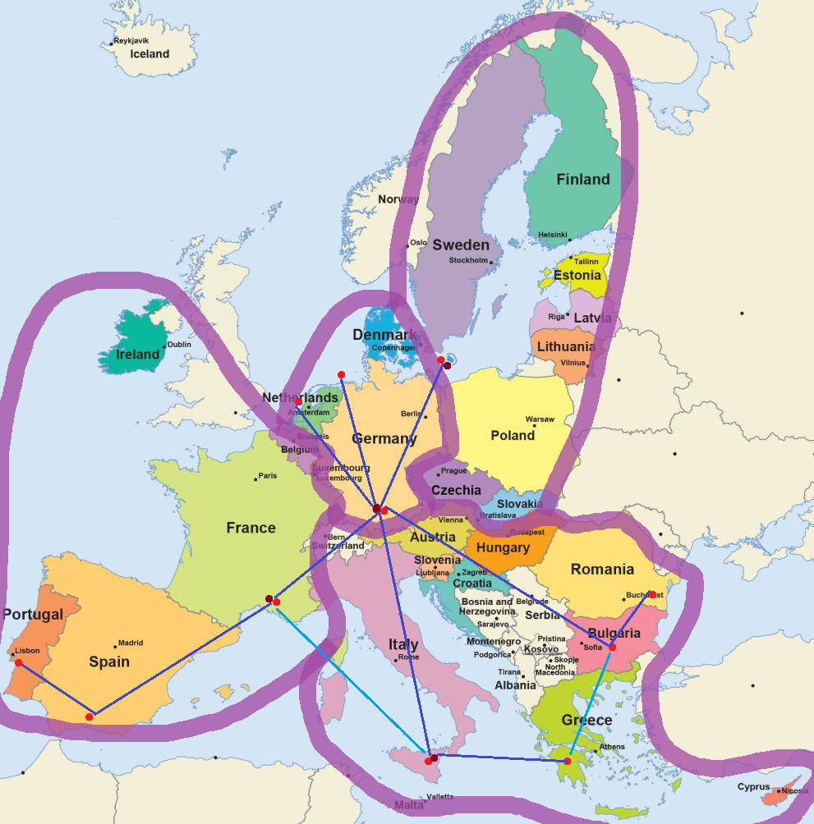
Country | Perc
DE | 0.191822 | 1 | 0.25
FR | 0.175992 | 2 | 0.33
IT | 0.113766 | 3 | 0.2
ES | 0.093828 | 4 | 0.22
PL | 0.068515
SE | 0.052508
NL | 0.039897
BE | 0.032481
FI | 0.031484
CZ | 0.025604
AT | 0.024444
RO | 0.02234
PT | 0.020009
GR | 0.019372
HU | 0.017256
BG | 0.015036
DK | 0.013644
SK | 0.010805
HR | 0.007193
SI | 0.005313
IE | 0.005215
LT | 0.004836
EE | 0.003251
LV | 0.002708
LU | 0.001987
CY | 0.000697

BattVSSolar
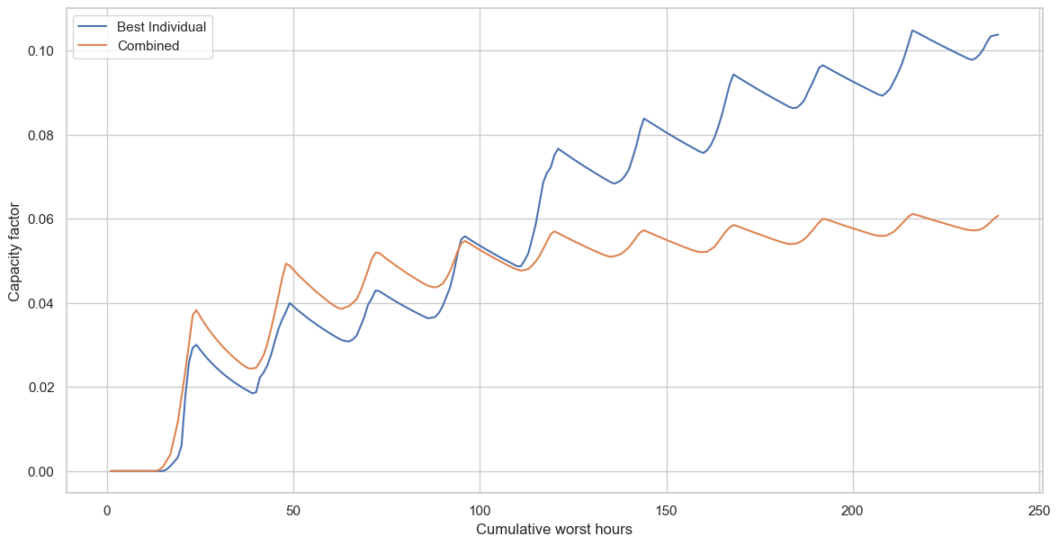
Cum hours | cap factor | PV | Batt | Som | With curbing
16 | 0.028 | 3214286 | 1440000 | 4654286 | 4011429
40 | 0.039 | 2307692 | 3600000 | 5907692
64 | 0.046 | 1956522 | 5760000 | 7716522
88 | 0.051 | 1764706 | 7920000 | 9684706
112 | 0.07 | 1285714 | 10080000 | 11365714

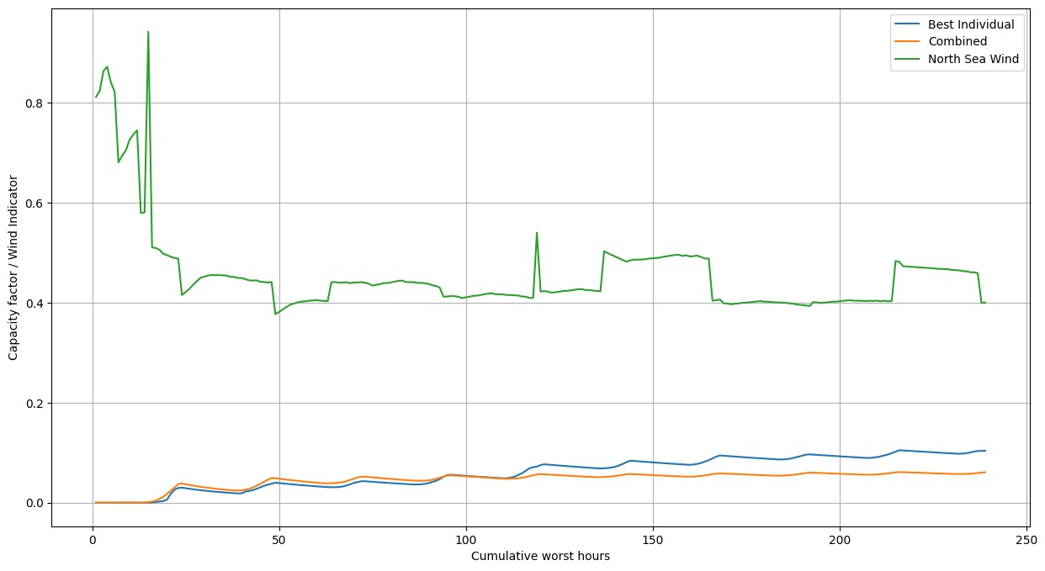
Cum hours | cap factor | PV | Batt |  | Som | Wind-only | Wind df
16 | 0.028 | 3214286 | 1440000 |  | 4654286 | 2812500 | 18261818
40 | 0.039 | 2307692 | 3600000 |  | 5907692
64 | 0.046 | 1956522 | 5760000 |  | 7716522
88 | 0.051 | 1764706 | 7920000 |  | 9684706
112 | 0.07 | 1285714 | 10080000 |  | 11365714

Balance
PV | Batt | Wind | Power output | Cost
10714 | 4800 |  | 299.992 | 4654200
5000 | 2400 | 400 | 300 | 3420000
2800 | 1300 | 550 | 298.4 | 2880000

